CFA Level I

CFA Level I packages now available on our website!
2022 - 2023 CFA Level I Curriculum Changes
 | No Changes
 | Minor Changes
 | Moderate Changes
 | Significant Changes
 | Newly Added
 | Removed

 | Source | https://www.cfainstitute.org/programs/cfa/candidate/2023-level-i-curriculum-changes

Subjects | 2022 |  | 2023 |  | Comments
 | Reading No | Reading Name | Reading No | Reading Name
Quantitative Methods | 1 | The Time Value of Money | 1 | The Time Value of Money | No Changes
 | 2 | Organizing, Visualizing, and Describing Data | 2 | Organizing, Visualizing, and Describing Data | No Changes
 | 3 | Probability Concepts | 3 | Probability Concepts | No Changes
 | 4 | Common Probability Distributions | 4 | Common Probability Distributions | No Changes
 | 5 | Sampling and Estimation | 5 | Sampling and Estimation | No Changes
 | 6 | Hypothesis Testing | 6 | Hypothesis Testing | No Changes
 | 7 | Introduction to Linear Regression | 7 | Introduction to Linear Regression | No Changes
Economics | 8 | Topics in Demand and Supply Analysis | 8 | Topics in Demand and Supply Analysis | No Changes
 | 9 | The Firm and Market Structures | 9 | The Firm and Market Structures | No Changes
 | 10 | Aggregate Output, Prices, and Economic Growth | 10 | Aggregate Output, Prices, and Economic Growth | No Changes
 | 11 | Understanding Business Cycles | 11 | Understanding Business Cycles | No Changes
 | 12 | Monetary and Fiscal Policy | 12 | Monetary and Fiscal Policy | No Changes
 |  |  | 13 | Introduction to Geopolitics | New Reading
 | 13 | International Trade and Capital Flows | 14 | International Trade and Capital Flows | No Changes
 | 14 | Currency Exchange Rates | 15 | Currency Exchange Rates | No Changes
Financial Statement Analysis | 15 | Introduction to Financial Statement Analysis | 16 | Introduction to Financial Statement Analysis | No Changes
 | 16 | Financial Reporting Standards | 17 | Financial Reporting Standards | No Changes
 | 17 | Understanding Income Statements | 18 | Understanding Income Statements | No Changes
 | 18 | Understanding Balance Sheets | 19 | Understanding Balance Sheets | No Changes
 | 19 | Understanding Cash Flow Statements | 20 | Understanding Cash Flow Statements | No Changes
 | 20 | Financial Analysis Techniques | 21 | Financial Analysis Techniques | No Changes
 | 21 | Inventories | 22 | Inventories | No Changes
 | 22 | Long-Lived Assets | 23 | Long-Lived Assets | No Changes
 | 23 | Income Taxes | 24 | Income Taxes | No Changes
 | 24 | Non-Current (Long-Term) Liabilities | 25 | Non-Current (Long-Term) Liabilities | No Changes
 | 25 | Financial Reporting Quality | 26 | Financial Reporting Quality | No Changes
 | 26 | Applications of Financial Statement Analysis | 27 | Applications of Financial Statement Analysis | No Changes
Corporate Issuers |  |  | 28 | Corporate Structures and Ownership | New Reading
 | 27 | Introduction to Corporate Governance & Other ESG Considerations | 29 | Introduction to Corporate Governance & Other ESG Considerations | Modification to ESG terms & EORQs
 |  |  | 30 | Business Models | New Reading
 | 28 | Uses of Capital | 31 | Capital Investments (previously Uses of Capital) | Content Revision
 | 29 | Sources of Capital | 32 | Working Capital (previously Sources of Capital) | Content Revision
 | 30 | Cost of Capital - Foundational Topics | 33 | Cost of Capital - Foundational Topics | No Changes
 | 31 | Capital Structure | 34 | Capital Structure | Significant Changes
 | 32 | Measures of Leverage | 35 | Measures of Leverage | No Changes
Equity Investments | 33 | Market Organization and Structure | 36 | Market Organization and Structure | No Changes
 | 34 | Security Market Indexes | 37 | Security Market Indexes | No Changes
 | 35 | Market Efficiency | 38 | Market Efficiency | No Changes
 | 36 | Overview of Equity Securities | 39 | Overview of Equity Securities | No Changes
 | 37 | Introduction to Industry and Company Analysis | 40 | Introduction to Industry and Company Analysis | No Changes
 | 38 | Equity Valuation: Concepts and Basic Tools | 41 | Equity Valuation: Concepts and Basic Tools | No Changes
Fixed Income | 39 | Fixed Income Securities: Defining Elements | 42 | Fixed Income Securities: Defining Elements | No Changes
 | 40 | Fixed Income Markets: Issuance, Trading, and Funding | 43 | Fixed Income Markets: Issuance, Trading, and Funding | No Changes
 | 41 | Introduction to Fixed Income Valuation | 44 | Introduction to Fixed Income Valuation | No Changes
 | 42 | Introduction to Asset-Backed Securities | 45 | Introduction to Asset-Backed Securities | No Changes
 | 43 | Understanding Fixed Income Risk and Return | 46 | Understanding Fixed Income Risk and Return | No Changes
 | 44 | Fundamentals of Credit Analysis | 47 | Fundamentals of Credit Analysis | No Changes
Derivatives | 45 | Derivative Markets and Instruments | 48 | Derivative Markets and Instruments | Reorganized into learning modules
 | 46 | Basics of Derivative Pricing and Valuation | 49 | Basics of Derivative Pricing and Valuation | Reorganized into learning modules
Alternative Investments | 47 | Introduction to Alternative Investments | 50 | Introduction to Alternative Investments | Reorganized into learning modules; no content changes
Portfolio Management | 48 | Portfolio Management: An Overview | 51 | Portfolio Management: An Overview | No Changes
 | 49 | Portfolio Risk and Return: Part I | 52 | Portfolio Risk and Return: Part I | Content Added
 | 50 | Portfolio Risk and Return: Part II | 53 | Portfolio Risk and Return: Part II | New EORQs
 | 51 | Basics of Portfolio Planning and Construction | 54 | Basics of Portfolio Planning and Construction | No Changes
 | 52 | The Behavioral Biases of Individuals | 55 | The Behavioral Biases of Individuals | No Changes
 | 53 | Introduction to Risk Management | 56 | Introduction to Risk Management | Content Added
 | 54 | Technical Analysis | 57 | Technical Analysis | No Changes
 | 55 | FinTech in Investment Management | 58 | FinTech in Investment Management | Updated content
Ethical and Professional Standards | 56 | Ethics and Trust in the Investment Profession | 59 | Ethics and Trust in the Investment Profession | No Changes
 | 57 | Code of ethics and Standards of Professional Conduct | 60 | Code of Ethics and Standards of Professional Conduct | No Changes
 | 58 | Guidance for Standards I-VII | 61 | Guidance for Standards I-VII | No Changes
 | 59 | Introduction to the Global Investment Performance Standards (GIPS) | 62 | Introduction to the Global Investment Performance Standards (GIPS) | No Changes
 | 60 | Ethics Application | 63 | Ethics Application | No Changes

 |  |  |  | Readings with No Changes | 49
 |  |  |  | Readings with Minor Changes | 6
 |  |  |  | Readings with Moderate Changes | 4
 |  |  |  | Readings with Significant Changes | 1
 |  |  |  | Newly Added Readings | 3
 |  |  |  | Removed Readings | 0

JuiceNotes
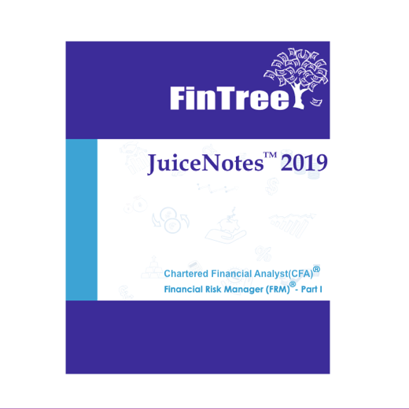
FinTree JuiceNotes

JuiceNotes comes from years of experience. Our team has created the JuiceNotes to help you in the optimal preparation for your exam. These notes will provide you the gist of the entire syllabus, organized in an LOS-wise fashion. These are all you need for a wholesome revision and we ensure that nothing is missed.

Click here to learn more about JuiceNotes

Click here to learn more about FinTree's JuiceNotes Package!

